Comment
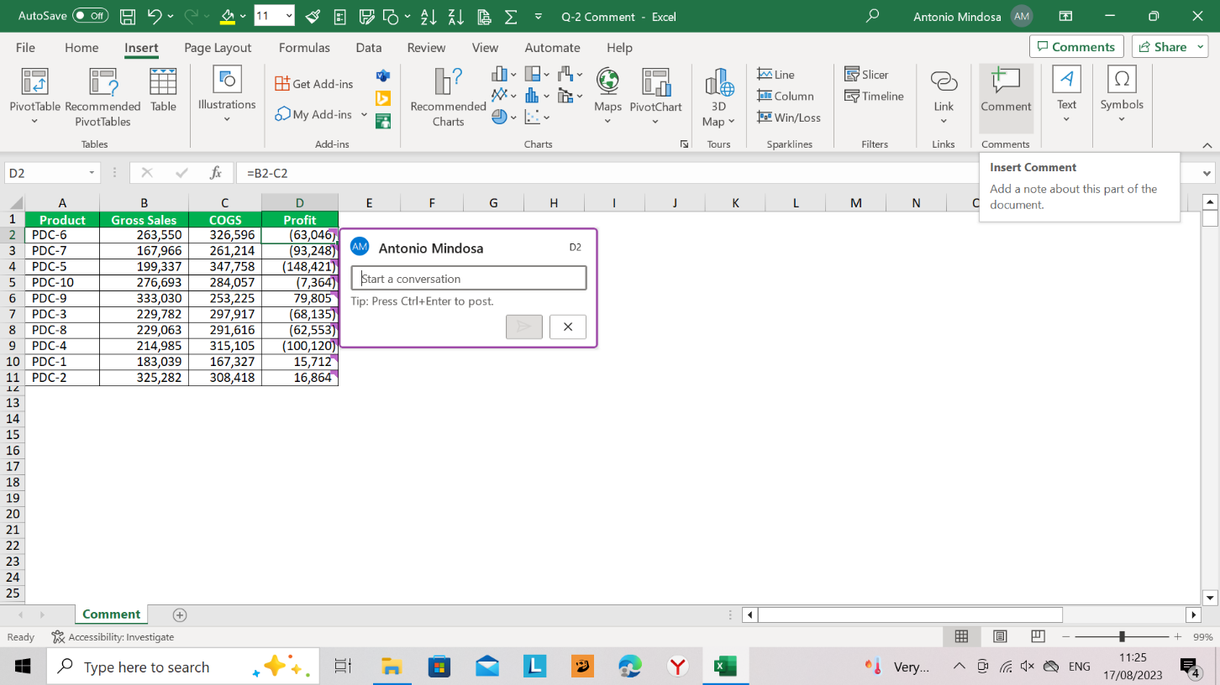
Product | Gross Sales | COGS | Profit
PDC-6 | 263,550 | 326,596 | (63,046)
PDC-7 | 167,966 | 261,214 | (93,248)
PDC-5 | 199,337 | 347,758 | (148,421)
PDC-10 | 276,693 | 284,057 | (7,364)
PDC-9 | 333,030 | 253,225 | 79,805
PDC-3 | 229,782 | 297,917 | (68,135)
PDC-8 | 229,063 | 291,616 | (62,553)
PDC-4 | 214,985 | 315,105 | (100,120)
PDC-1 | 183,039 | 167,327 | 15,712
PDC-2 | 325,282 | 308,418 | 16,864

